Sheet1
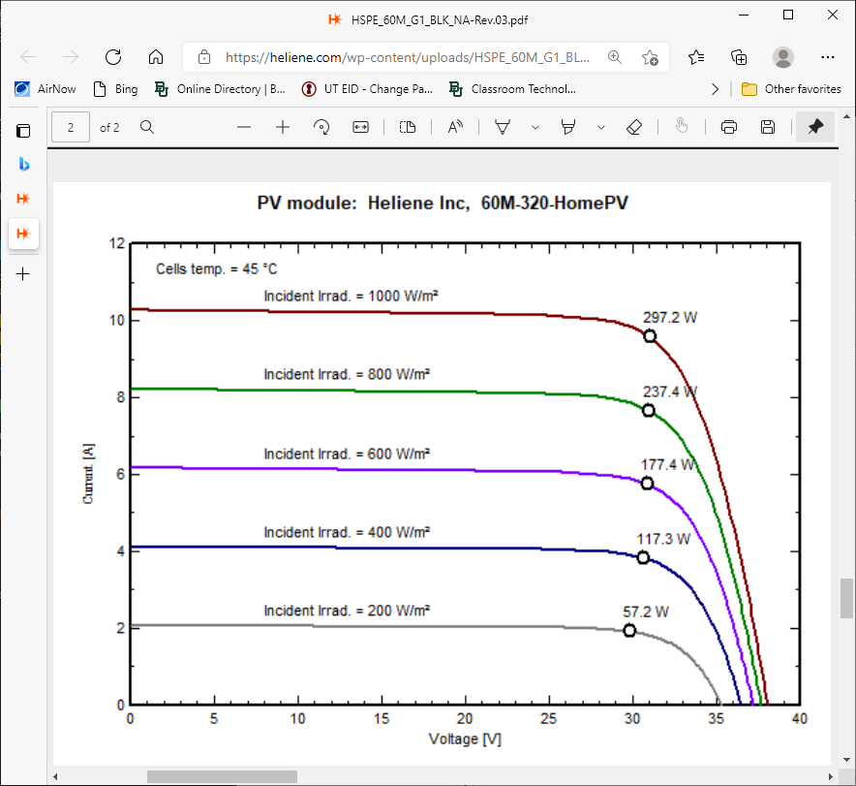
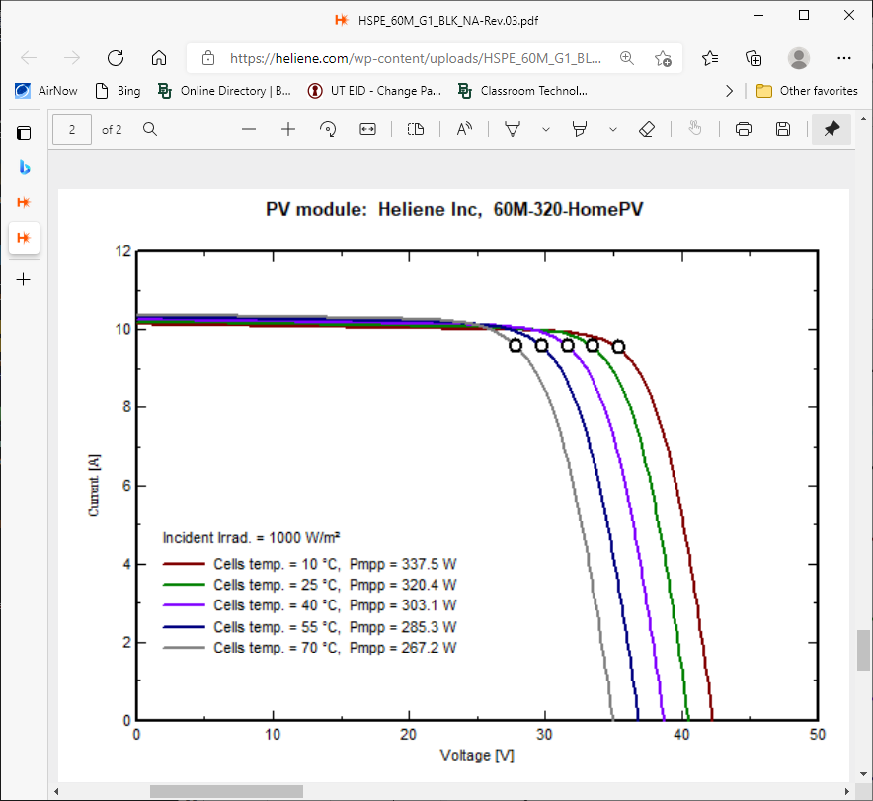
 |  | I = A - B * Exp(C *V) |  | I = A - B * Exp(C *V)
 |  |  |  | Start Values
 |  |  |  | A | B | C
 |  |  |  | 20 | 10 | 0.02

 |  | EXCEL SOLVER
 |  |  |  | I = A - B * exp(C * V)
 |  |  |  | A | B | C
 |  | Selected Points |  | 10.435591684 | 4.7843637752E-05 | 0.32432370971
 |  | For SOLVER
0 | 10.25
1 | 10.24
4 | 10.21
10 | 10.2
15 | 10.19
20 | 10.18 | 10.40419642
25 | 10.15 | 10.276691599
29 | 9.95 | 9.8541152474
31 | 9.6 | 9.323255371
33 | 8.6 | 8.3077460909
35 | 6.25 | 6.3651259306
36 | 4.6 | 4.8057510323
37 | 2.6 | 2.648987476
37.5 | 1 | 1.2781513246
38 | 0 | -0.33402131994
0 | 0 | Curve Fit
1 | 0.3 | V | I | Icalc | ERROR^2
2 | 0.6 | 0 | 10.25
3 | 0.9 | 1 | 10.24
4 | 1.2 | 4 | 10.21
5 | 1.5 | 10 | 10.2
6 | 1.8 | 15 | 10.19
7 | 2.1 | 20 | 10.18 | 10.40419642 | 0.050264034591
8 | 2.4 | 25 | 10.15 | 10.276691599 | 0.016050761159
9 | 2.7 | 29 | 9.95 | 9.8541152474 | 0.0091938857878
10 | 3 | 31 | 9.6 | 9.323255371 | 0.076587589664
11 | 3.3 | 33 | 8.6 | 8.3077460909 | 0.085412347387
12 | 3.6 | 35 | 6.25 | 6.3651259306 | 0.013253979907
13 | 3.9 | 36 | 4.6 | 4.8057510323 | 0.042333487285
14 | 4.2 | 37 | 2.6 | 2.648987476 | 0.0023997728002
15 | 4.5 | 37.5 | 1 | 1.2781513246 | 0.077368159391
16 | 4.8 | 38 | 0 | -0.33402131994 | 0.11157024217
17 | 5.1 |  |  |  | SUM ERROR
18 | 5.4 |  |  |  | 0.48443426015
19 | 5.7
20 | 6
21 | 6.3
22 | 6.6
23 | 6.9
24 | 7.2
25 | 7.5
26 | 7.8
27 | 8.1
28 | 8.4
29 | 8.7
30 | 9
31 | 9.3
32 | 9.6
33 | 9.9
34 | 10.2
35 | 10.5
36 | 10.8
37 | 11.1
38 | 11.4
39 | 11.7
40 | 12

